1 SERVICE UNITS
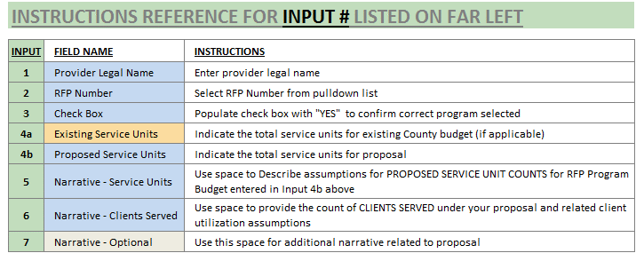
INPUT # | 1 SERVICE UNITS

1 |  |  | PROVIDER LEGAL NAME:

2 |  | RFP NUMBER: |  | 121068 | RFP NAME: | HOUSING CASE MANAGEMENT SERVICES

 |  |  | IMPORTANT: | The cost proposal workbook automatically calculates service unit costs by dividing the proposed vendor cost by proposed service units. The resulting service unit rate is the cost metric used for proposal scoring.

3 |  | YES | Verify RFP Number and Name above. If correct, select YES from pulldown in box to left. If not, select correct RFP Number.

 |  | .
 |  | SERVICE UNITS
 |  | Using Service Unit description from RFP Program Scope Description provided below in yellow box, please provide proposed Service Units. If you are a current Dane County provider for these services, enter current contract service units under your existing contract in INPUT 4a in the instructions as well your 2022 bid level in INPUT 4b. Prospective providers who currently do not contract with Dane County for this service may ignore INPUT 4a and skip to INPUT 4b to enter your 2022 bid level.

 |  |  | Service Unit description from RFP Program Scope Description
 |  |  | Agency Cost Per Hour of Direct Client Services

4a |  |  | Budgeted number of SERVICE UNITS (i.e. service unit count) for Exisitng Dane County Program (if applicable): |  |  |  |  |  | N/A

4b |  |  | Proposed SERVICE UNITS for RFP Cost Proposal:

 |  | CALCULATED UNIT SERVICE RATE FOR PROPOSAL |  |  |  | #DIV/0! | Resulting service unit cost submitted for proposal.

 |  | PROPOSED SERVICE LEVEL DESCRIPTION
 |  | Please describe assumptions used for service units and targeted clients served in proposal. Additional input space provided for other comments.

 |  | Describe assumptions for PROPOSED SERVICE UNIT COUNTS for RFP Program Budget entered in INPUT 4b above: |  |  |  |  |  | - | Service Units per 4b above
5

 |  | Please provide the count of CLIENTS SERVED under your proposal and related client utilization assumptions:
6

 |  | Additional Comments (optional):
7

